KPI
 |  |  |  |  |  |  |  | Row Labels | Max of Highest Score | Average of Strike Rate | Average of Average |  | year | high | avg
Row Labels | Sum of Runs | Year | Runs |  |  |  |  | 2008 | 65 | 133.54 | 41.4 |  | 2008 | 65 | 41.4
2008 | 414 | 2008 | 414 |  |  |  |  | 2009 | 58 | 127.2 | 41.5 |  | 2009 | 58 | 41.5
2009 | 332 | 2009 | 332 |  |  |  |  | 2010 | 66 | 136.66 | 31.88 |  | 2010 | 66 | 31.88
2010 | 287 | 2010 | 287 |  |  |  |  | 2011 | 70 | 158.7 | 43.55 |  | 2011 | 70 | 43.55
2011 | 392 | 2011 | 392 |  |  |  |  | 2012 | 51 | 128.77 | 29.83 |  | 2012 | 51 | 29.83
2012 | 358 | 2012 | 358 |  |  |  |  | 2013 | 67 | 162.89 | 41.9 |  | 2013 | 67 | 41.9
2013 | 461 | 2013 | 461 |  |  |  |  | 2014 | 57 | 148.4 | 74.2 |  | 2014 | 57 | 74.2
2014 | 371 | 2014 | 371 |  |  |  |  | 2015 | 53 | 121.96 | 31 |  | 2015 | 53 | 31
2015 | 372 | 2015 | 372 |  |  |  |  | 2016 | 64 | 135.23 | 40.57 |  | 2016 | 64 | 40.57
2016 | 284 | 2016 | 284 |  |  |  |  | 2017 | 61 | 116 | 26.36 |  | 2017 | 61 | 26.36
2017 | 290 | 2017 | 290 |  |  |  |  | 2018 | 79 | 150.66 | 75.83 |  | 2018 | 79 | 75.83
2018 | 455 | 2018 | 455 |  |  |  |  | 2019 | 84 | 134.62 | 83.2 |  | 2019 | 84 | 83.2
2019 | 416 | 2019 | 416 |  |  |  |  | 2020 | 47 | 116.27 | 25 |  | 2020 | 47 | 25
2020 | 200 | 2020 | 200 |  |  |  |  | 2021 | 18 | 106.54 | 16.28 |  | 2021 | 18 | 16.28
2021 | 114 | 2021 | 114 |  |  |  |  | 2022 | 50 | 123.4 | 33.14 |  | 2022 | 50 | 33.14
2022 | 232 | 2022 | 232 |  |  |  |  | Grand Total | 84 | 133.39 | 42.38
Grand Total | 4978

Runs | 392 |  |  | Row Labels | Sum of Runs | Sum of Stumpings | Sum of Catches Taken | Sum of Sixes | Sum of 50 | Sum of N.O. | Sum of Matches | Max of Highest Score | Average of Strike Rate | Sum of Fours | Average of Average
catches | 5 |  |  | 2011 | 392 | 5 | 5 | 23 | 2 | 4 | 16 | 70 | 158.7 | 25 | 43.55
stumps | 5 |  |  | Grand Total | 392 | 5 | 5 | 23 | 2 | 4 | 16 | 70 | 158.7 | 25 | 43.55
4s | 25
6s | 23
50s | 2
NO | 4
SR | 158.70
avg | 43.55
matches | 16
highest | 70

Dashboard
IPL Performance: Thala Edition

Runs Scored
2008 | 414
2009 | 332
2010 | 287
2011 | 392
2012 | 358
2013 | 461
2014 | 371
2015 | 372
2016 | 284
2017 | 290
2018 | 455
2019 | 416
2020 | 200
2021 | 114
2022 | 232
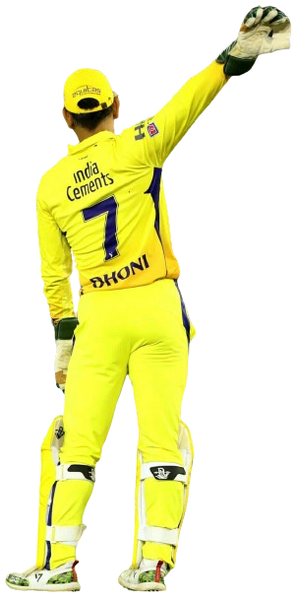
Sixes

Stats
23

Fours

Runs
392

Stumping
5
25

50s
2

Not Out
4
Catches
5
S. rate
158.70

Highest
70

Matches
16

2008 | 65 | 41.4
2009 | 58 | 41.5
2010 | 66 | 31.88
2011 | 70 | 43.55
2012 | 51 | 29.83
2013 | 67 | 41.9
2014 | 57 | 74.2
2015 | 53 | 31
2016 | 64 | 40.57
2017 | 61 | 26.36
2018 | 79 | 75.83
2019 | 84 | 83.2
2020 | 47 | 25
2021 | 18 | 16.28
2022 | 50 | 33.14
Average Runs
43.55

